DB GIF
 |  |  |  |  |  |  |  |  |  |  | Specification-page
Kunde: / Customer: |  | SIEMENS Energy |  | Endkunde: / End-customer |  | Terna |  | Land: / Country | Italy |  |  | V1.8_08.12.2023
Kundenauftragsnr.: Customer order number |  |  |  | Auftragsnummer muss mit 2309xxxx beginnen |  |  |  | Projektkategorie: / Project category | E = Standard |  |  | PRODUKTSICHERHEIT OEN - Auftragsbearbeitung: (Angesteuert durch Auswahl der Projektkategorie)
Position: / Position |  |  |  | Stückzahl: / Pieces |  |  |  | Angebots-Nr. : / Offer Nr. | 2022-0879 |  |  | Projektkategorie E=Keine oder nur maginale Abweichung zu entwickeltem Wandlermodell
Wandlergruppe: / Product line |  | CTG/CTA |  | Wandler SAP Nr. : Product SAP-Nr. |  | CTG420-040-011 |  | SAS 420 TERNA Type A |  |  |  | Projektkategorie E=Keine Risikoanalyse erforderlich
Projektname: / Name of the Project |  | HVDC LINK Terna |  |  |  |  |  |  |  |  |  | Notiz
Druckbehältervorschrift (QM-Vorschrift): / Pressure vessel regulation (QA-Programm): |  |  |  | INAIL |  | Alle Hüllenteile müssen INAIL zertifiziert sein
INAIL Zertifikationsnummer von Trench Deutschland: / INAIL Certificationnumber from Trench Germany: |  |  |  | zu erledigen |  | <<< Certificationnumber has to be filled out from Sales if the Product will installed in Italy; If no number available Trench Germany has to make a new certificate |  |  |  |  |  | Aktion

 |  |  |  |  |  | Trench Germany GIF
Index | Änderungsvermerk / change documentation: |  |  |  | Erstellt / prepared: |  | Datum / date: | Genehmigt / released: |  | Datum / date:
0 | Neuerstellung DB |  |  |  | Selloum |  | 2024-04-19 | Mukametshina |  | 2024-04-19
1 | Remove UTF in ZLS and ZKK, correct < = Rct, add SIL value, mech load + comment, add iso info in ZMB, add info ZIS info in ZMB , apply small translation / layout correction indicated |  |  |  | Selloum |  | 2024-10-23

Reviewed: |  | Personel handover & especially f. CSA N299 orders: |  |  | Karl-Ott |  | 2024-04-19

Gültiger Wandlerpass: |  |  |  | WA - I-Teil: |  | 68063 |  | WA - U-Teil:

Kundenspezifikation: / Customer specification |  |  |  | Vorschrift 1: / Specification 1 |  | IEC 61869-2 |  | Kernschale: / Coreshell | CTG420-040-0240
Max. Betriebsspannung: / Max. operation voltage |  | Um | 420 kV | Frequenz: / Frequency |  | 50.0 Hz |  | Aufstellhöhe: / Installation high | 1000 m
Stehblitzstoßspannung: / Standing lightning impulse voltage |  | BIL | 1550 kV | Stehwechselspannung trocken: / withstand voltage (dry) |  | 680 kV |  | Schaltstoßspannung SIL: / switching impulse voltage | 1175 kV
BIL Chopped wave |  |  |  | Prüfwechselspannung sekundär (1min.) |  | 3 kV |  | Prüfwechsel-spannung Groß X(N):/ Neutral terminal HS | -
Umgebungstemperatur min. : / Ambient temperature min. |  | - 25° Celsius |  | Umgebungstemperatur max. : / Ambient temperature max. |  | 50° Celsius |  | Haltespannung bei 1 bar abs.: | 266,73 kV // 1h
Verschmutzungsklasse: / Pollution class |  | d-heavy (3-heavy) |  | Spez. Kriechweg: / spec. creepage distance |  | 43,3 (25) [RUSCD(SCD)] |  | Min. Kriechweg: / min. requiered creepage distance | 15750 mm
Biegefestigkeit: / Flexural strength |  | Statisch: / Static test load | Spez. Kundenforderung => Kommentarfeld |  |  | Isolatorauswahl Hersteller: / Insulator - Supplier |  | Frei wählbar / not specified
Abweichende Eingaben: / different values |  | isolator must be from Shemar in material HTV with ATH >45%. in the ZMB write: 13,3kN Long., 8,4kN trasv., 6 kN vert..write a note next to these values --> IT: I valori indicati sono da considerarsi provvisori e potranno essere rivisti in base agli esiti delle prove di tipo EN: The provided values are provisional and may be revised based on the outcomes of the type tests. SIL auf das Leistungsschild
#N/A

Erforderliche Prüfungen & Sonderprüfungen / Internal tests & special tests |  |  |  |  |  | Kommentare / weitere Auswahlfelder: Comments:
Typenprüfung nach o.g. Norm: / Typetest requiered |  |  |  | Nein
Externer Beobachter: / External observer |  |  |  | Ja
Erweiterte Typenprüfung: / Additional typtest requiered |  |  |  | Nein
SIL gefordert: / SIL requiered |  |  |  | Nein
Haltespannung bei 1 bar abs.: / Voltage level on 1 bar a. |  |  |  | Nein
Magnetisierungskennlinie U: / Magnetization characteristic U |  |  |  | Nein
Magnetisierungskennlinie I: / Magnetization characteristic I |  |  |  | Ja
Taupunktmessung: / dew point measurement |  |  |  | Nein
Isolationswiderstandsmessung: / Insulation resistance measurement |  |  |  | Nein
Erweiterte Routinetests & Sonderprüfungen : / Additional routine tests requiered & special tests |  |  |  | Ja |  | 1) 2kV AC test on alarms contact of the density monitors, between each indipended circuit and thew other connected to ground. 2)3 kV AC test between shortcuited terminals of each section, 3) Check the protective coatings (paint / zink usw). The UNI EN ISO 1461 Standard applies, with the clarification that the zinc layer thickness must be determined with magnetic flow devices, according to standards UNI EN ISO 2178 and UNI EN ISO 2064, making from 5 to 10 measurements on each component, uniformly on the various surfaces, avoiding edges and angled parts.
BIL gefordert: / BIL requiered: |  | Nein |  | Anzahl
 |  | FW= Fullwave ; RW=Reducedwave ; CW=Choppedwave |  | Art

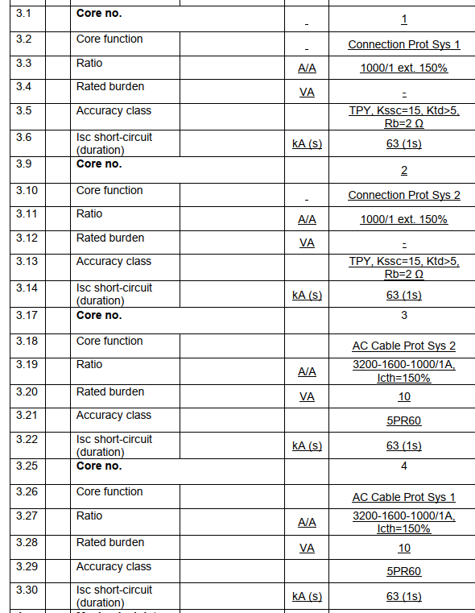
Stromwandler - technische Daten
thermischer Dauerstrom: |  |  | Kernbezeichnung:
3840 cont - 4800A 1h |  |  | K1 | K2 | K3 | K4 | K5 | K6 | K7
I th/ Zeit |  | Genauigkeitsklasse nach: | Schutzkern | Schutzkern | Schutzkern | Schutzkern
63 kA / 1s |  | IEC | TPY | TPY | 5PR | 5PR
I dyn |  | Primärstrom: | 1000 A | 1000 A | 3200-1600-1000 | 3200-1600-1000
160 kA |  | I [A]
Umschaltung: |  | Sekundärstrom: | 1 A | 1 A | 1 A | 1 A
legt Berechnung fest |  | I [A]
Berechnung hat festgelegt: |  | Übertromfaktor FS/ |  |  |  |  |  |  | -
Auswahl Umschaltung |  | Genauigkeits-Grenzfaktor |  |  | 60 | 60
Anmerkungen: |  | Leistung: | 2ohm | 2ohm | 10 | 10
 |  | [VA]
 |  | erweiterter Meßbereich: | 150% | 150%
 |  | %
 |  | sek. Wicklungswiderstand
 |  | Rct [Ohm]
 |  | Kniepunktspannung |  |  |  |  |  |  | -
 |  | Ek [V]
 |  | Magnetisierungssstrom
 |  | Ie [mA]
 |  | Kurzschlußstromfaktor | 15 | 15
 |  | Kssc
 |  | Dimensionierungsfaktor | 5 | 5
 |  | Ktd
 |  | Bemessungszeitkonstante
 |  | Primär Tp [ms]
 |  | Sekundär Ts [ms]
 |  | Stromfluß
 |  | 1. Stromfluß t´ [ms]
 |  | 1. Stromfluß tal´ [ms]
 |  | 2. Stromfluß t´´ [ms]
 |  | 2. Stromfluß tal´´ [ms]
 |  | Totzeit ttfr [ms]
Kalibrieranforderung (siehe Dokument 820074)
3: Eichfähig nach BEV,SEV,UTF...
Bemerkungen Stromwandler: ( Bitte die Auswahlfelder der einzelnen Blöcke verwenden , Doppeleingaben in Bemerkungsfeld sind zu vermeiden ! )
core 3 and 4, class at all taps
Dichtewächter- und Druckdaten / Densimeter and pressure-specifications |  |  |  |  |  | Kommentare / weitere Auswahlfelder: Comments:
Dichtewächtertyp: / Densimeter-type: |  |  |  | mit / with transmitter |  | Ja | Analogsignal: |  | 4-20mA
Druckangabe am Dichtewächter: / Pressure shown on the Densimeter: |  |  |  |  |  | Use the new DW standard for Terna with automatic testing valve integrated
Anzahl DW Schaltkontakte: / Densimeter Contacts: |  |  |  | 2
DW-Prüfeinrichtung: / Densimeter testing equipment: |  |  |  | Ja |  | automatic testing valve integrated in the Densimeter
Schutzschlauch DW-Kabel: / Cable protection hose: |  |  |  | Nein
DW im KK verdrahtet: / Densimeter wired in terminal box: |  |  |  | Ja
DW zum Boden geneigt: / Densimeter points to the ground (rotation): |  |  |  | Ja |  | Ja | Neigungswinkel: |  | 45° |  | check if 30°- 45° is feasible. If not is ok.
DW - Schaltkontakte >> bei fallendem Druck: Densimeter switching contacts >> with falling pressure: |  |  |  | Wechslend / change over
DW-Hersteller: / Densimeter brand: |  |  |  | EMD |  | Kleine Skala & Referenzmessung
Sensgear-Box gefordert: / Sensgear requiered: |  |  |  | Nein
Erdkontakte seperat geerdet: / Earthing contacts seperately grounded: |  |  |  | Ja |  | Yes for cable screens, see bolt M8 below.
Mischgasanteil (SF6/N2) /CA: / Mixed gas (SF6/N2) / CA: |  |  |  | 100% SF6
Druckangaben / Pressure specification: |  | Nennfülldruck rel. / Filling pressure |  | Alarmdruck 1 rel. / 1 Alarm |  | Alarmdruck 2 rel. / 2 Alarm |  | Druck f. elektr. Prüfungen rel. / Pressure for electrical tests |  | max. Betriebsdruck
 |  | 6.0 bar (10² kPa) |  | 5.5 bar (10² kPa) |  | 5.0 bar (10² kPa) |  | 5.0 bar (10² kPa) |  | 7.4 | max pressure 7,0 bar on old db
Druckangabe im LS: / Pressure info on ratingplate: |  |  |  | 0 |  | FALSE |  |  |  |  | Pressure LS should be Mpa
Druckfüllventil: / Filling-Valve: |  |  |  | DN8 |  |  |  |  |  |  | See Note 1
Zulässige Leckrate: / Permissible leakage rate: |  |  |  | 0,1% / p.a. |  |  |  |  |  |  | See Note 2

Sekundärklemmenkasten / Secondary terminalbox |  |  |  |  |  | Kommentare / weitere Auswahlfelder: Comments:
Klemmenkastenart: / Design Terminalbox: |  |  |  | Frei wählbar / not specified |  | Auswahl obliegt OEN
 |  |  |  |  |  | Trench Germany design Pay attention, cable glands, DW cable have should not collide with Customer 420kV Pedestal , see pic 01 below in notes. -with suitable ventilation anti insect device. -terminal block for secondary terminals, DW contacts, DW singal must be positioned in separate compartments obtained in the secondary terminal box by means of suitable metal diaphragms/separators see note 1 -three sections: secondary output │DW switching contacts │DW analog signal 4-20mA
Klemmentype: / Connection clamps |  |  |  | Phoenix UK16N
Klemmentype DW: / Clamps for densimeter |  |  |  | Phoenix UK6N
Erdungsschiene: / Earthing bar |  |  |  | Nein |  | M8 bolt (with Bezeichnungsschild Erdung) through a hole in the kk frame (like zkk613692). Internal end will be used for connecting the screens of the Customer cables. Outside end via 16mm2 yellow-green cable to M12 bolt in the foot.
PT100 gefordert: / PT100 requiered |  |  |  | Nein
Sicherungen: / Protection requiered |  |  |  | Nein
Detail d. Sicherungen: / Detail of protection: (NO=Schließer;NC=Öffner) |  |  |  | Keine Forderung / not specified |  |  |  | Hilfsschalterart / Auxiliary Contacts: | Keine Auswahl
Funkenstrecke: / Spark gap requiered |  |  |  | Nein
Sollbruchstellen: / intended breaking points |  |  |  | Nein
Klemmenkastenheizung: / Terminalbox-heating |  |  |  | Nein |  | Nein | Betriebsspannung/Leistung / Operating voltage of heater:
Abdeckung Kundenklemmen: / Cover of customer clamps |  |  |  | Ja |  | Cover Secondary Core 1 (UTF calibration in Italy)
Kabelverschraubungen: /Cableglands |  | Ja |  | M40 |  | M32 |  | M25
 |  | Eingebaut / mounted |  | 0x |  | 0x |  | 8x
 |  |  |  | 8xM25 cableglands for cables having diameter ø 12 ÷ 16 mm 4 for the secondary and 4 for the density meter
Sprache Leistungsschild: / Language on ratingplate |  |  |  | Italienisch |  | Italienisch
Material Leistungsschild: / Material of ratingplate |  |  |  | Alu silber & schwarze Schrift |  | Standard TG
Hersteller ID-Nr. auf LS: / Supplier ID-nr. on ratingplate |  |  |  | Nein
Barcode auf LS: / Barcode on ratingplate |  |  |  | Nein
Wandlerbezeichnung auf LS: / Name on ratingplate |  |  |  | SAS 420 |  | Abweichende Vorgabe auf LS: |  | SAS420-M01-Type A |  |  | Note 3
Oberflächenangaben / Survace requierements |  |  |  |  |  | Kommentare / weitere Auswahlfelder: Comments:
Lackaufbauforderung : / Survace details |  | Lackanbringung am Wandler |  |  |  | Lackierung A |  | Lackierung B |  | Schichtdicke
 |  | Components under electr. Voltage in 'A', others without painting |  |  |  | RAL 9010 - 216950 (120-240µm) |  | keine Lackierung gefordert |  | C5 vh | Note 4
Weitere Forderungen / Others |  |  |  |  |  | Kommentare / weitere Auswahlfelder: Comments:
Primäranschluss: / Primary connection |  |  |  | Other specification |  |  |  | AL, 100 x 290 x 20 mm, Bohrungen 6xØ18 mm, Mittenabstand 50 / 100 mm
Erdungsanschluss: / Earthing connection |  |  |  | Other specification |  |  |  | 2x2 Bohrungen Ø15 mm, Mittenabstand 210 mm; NR-Schraube M12. Bezeichnungsschild Erdung
Material Erdungsanschluss: / Material of earthing connection |  |  |  | Not specified
Beistellteile TG Seitig: / Additional delivery parts from TG |  |  |  | Nein |  | Materialien:
Doku-Sprache: / Language of ducuments |  |  |  | Italienisch |  | Falls abweichend: |  | -
Wandlerpass: / Special short manual designed for Customer |  |  |  | Ja |  | Nur für Rahmenvertragswandler- oder mit erh. Mehraufwand zu generieren! / Only for Frame Contracts available + huge additional costs!
Doku im KK: / Documents located in TB |  | Nein |  | Nein |  | Nein |  | Sonstiges:
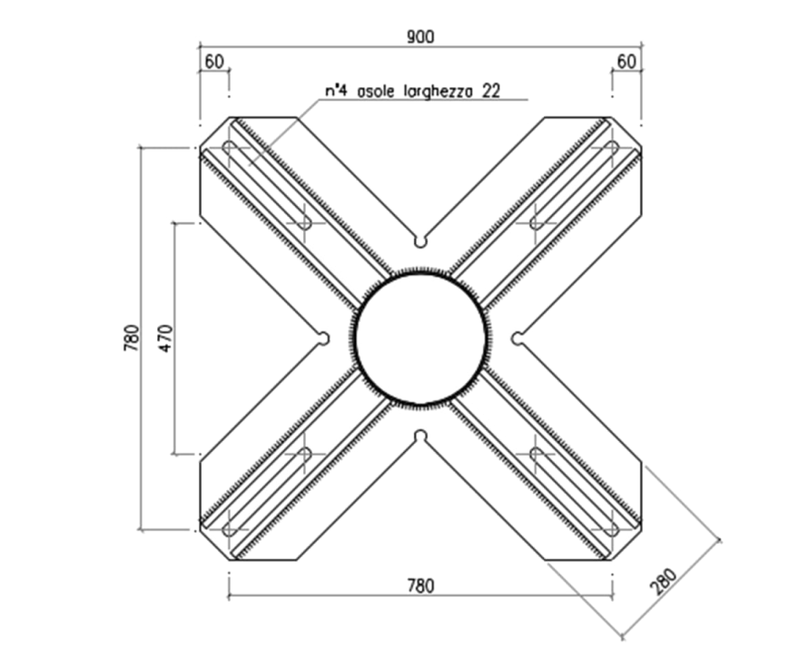
Picture 01 Pedestal
Kommentar / Notes:
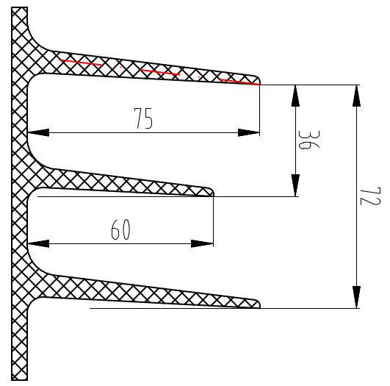 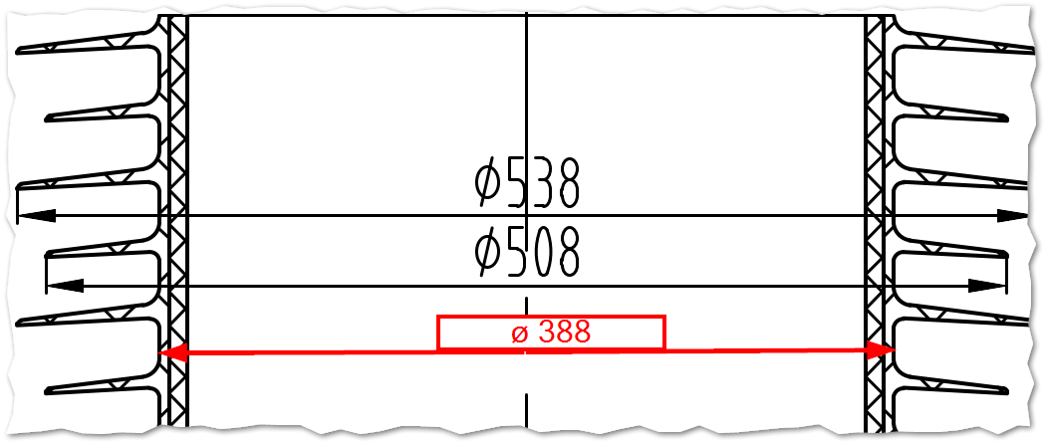 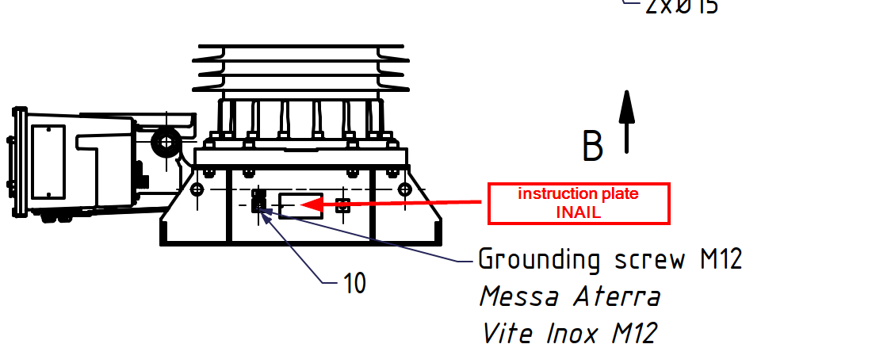 Note 1: 2xDN8 or in alternative 1xDN8 + 1xDN20 (Andreas Karl was thinking a solution to use SAS adapter (one DN20) and other DN20 or DN8 in the zwischenstuck Note 2: Double o-ring in alle the junctions ad per Terna specification on standard transformers. Adapter --> Gaber Note 3: On the outside of the secondary terminal box door there must be a plate, indelible and resistant to atmospheric agents, showing the following information: • connection diagrams of the secondary windings and those of the primary sections, if any, in relation to the respective transformation ratios; • connection diagram of the gas density control device, with indication of the gas relative densities corresponding to the two intervention levels. see example of what we did for Terna one big rating plate with LS and SS included see standard HQ rating plate. Note 4: for the steel parts (foot) in 80mm zinck. The head castings must be painted on the outer surface only with a 9010 colour epoxy coating according to the RAL classification in compliance with the UNI EN ISO 12944-2/5 Standards, with a C5 corrosion category and very high (vh) durability Make 3D drawing of the transformer and to be checked on the Terna 420kV pedestal (no DW colloision or cable glands) ZIS 617506_Rev00 - Benennung: Hinweisschild INAIL/instruction plate INAIL ZHS 617613_Rev00 - Benennung: Hinweisschild TYP / Instruction plate TYPE ZMB - additional information: Dm : 455,5 mm kD : 1,271 kCF : 1,278 kA : 1,009 BVCC : 242,5 kV RSCD : 37,8 mm/kV SSCD : 61,94 mm/kV - add screenshot for insolator drawing profile showing diameters of the insulator with silicone layer and sheeds + profile dimensions - Information about manufacturer of the insulator (name) - Anbringungsstelle für ZIS 617506_Rev00 - "Hinweisschild INAIL" kennzeichnen note: the Rct value in 617503 must be "<" not "=" see Wickelanweisungen |  |  |  |  |  |  |  |  |  |  | DETTAGLIO DELL 'ISOLATORE SHEDS DETAIL INSULATOR

